Diagram
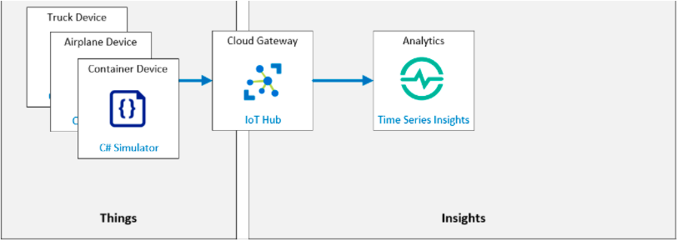

Purpose: | 1. Streaming data
 | 2. Query data from json

